Main
$1
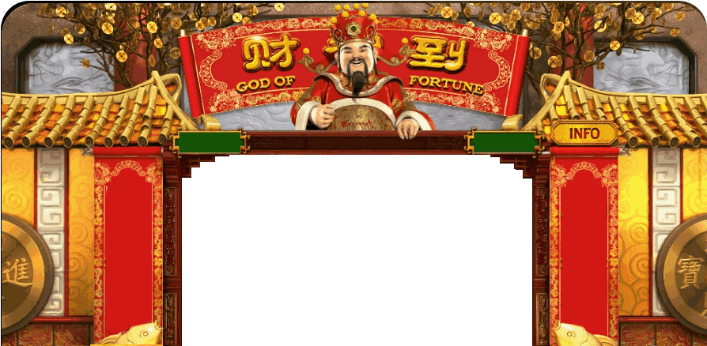

 |  | Credits
 |  | 33,740
 |  | Bets per line
 |  | 1
 |  | Number of Lines
INFO
 |  | 30
Press Spin To Start
 |  | Total Bet
0 |  | 30
 |  | Machine pays from Left to Right Only. God Of Fortune is Wild Wild substitute all symbols except : 10 FreeSpins is Awarded when atleast 4 appears. Whenever 5 elements aligns 5 FreeSpins is Awarded. FreeSpin can be retriggered during FreeSpin cycle.

BET
MAX BET
LINES
SPIN

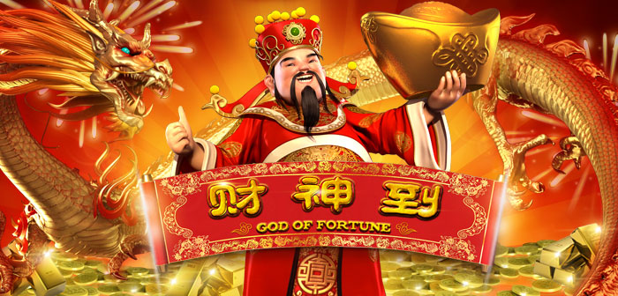

 | God of Fortune (ver 2.0) Programmed by Remy Lim 2017

